PA4SAN FLYER
Payne 14 SEER Air Conditioning Package- R454B

Includes 10-year warranty on parts and compressor
Products MUST be registered online to qualify for warranties
Online registration MUST be completed within 90 days of installation

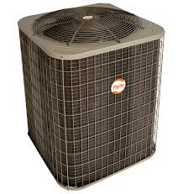
PA4SAN51800N |  | $1,557 |  |  | PA4SAN54200N |  | $2,124
1.5 TON |  |  |  |  | 3.5 TON

PA4SAN52400N |  | $1,643 |  |  | PA4SAN54800N |  | $2,348
2 TON |  |  |  |  | 4 TON

PA4SAN53000N |  | $1,743 |  |  | PA4SAN56000N |  | $2,584
2.5 TON |  |  |  |  | 5 TON

PA4SAN53600N |  | $1,958
3 TON

 |  |  | Effective 4/1/2026
 |  |  | Prices subject to change without notice

ALL packages include:
 | 14 SEER 1-stage Condensing Unit
 | Aspen Uncased Coil
 | Plastic Pad

 | LINE SET NOT INCLUDED

 | Flint |  | 800-500-3772 | Madison Heights |  | 800-795-5423
 | Grand Rapids |  | 800-685-7092 | Toledo |  | 800-926-7168
 | Lansing |  | 866-558-9620 | Traverse City |  | 855-227-2590
 | Livonia |  | 800-262-1987

www.carriergreatlakes.com

